SPC
SPC Template

Data Table - ONLY ENTER DATA INTO GREY CELLS |  |  |  |  |  |  |  |  | SPC Chart
Time Period | Data | Mean (μ) | Moving range | Average of moving range | Upper Control Limit a μ+2σ | Upper Control Limit a μ+3σ | Lower Control Limit a μ-2σ | Lower Control Limit a μ-3σ
2015-10-18 | 17% | 0.2 |  | 0.0 | 0.3 | 0.3 | 0.1 | 0.1
2015-10-19 | 21% | 0.2 | 0.0 | 0.0 | 0.3 | 0.3 | 0.1 | 0.1
2015-10-20 | 26% | 0.2 | 0.0 | 0.0 | 0.3 | 0.3 | 0.1 | 0.1
2015-10-21 | 22% | 0.2 | 0.0 | 0.0 | 0.3 | 0.3 | 0.1 | 0.1
2015-10-22 | 23% | 0.2 | 0.0 | 0.0 | 0.3 | 0.3 | 0.1 | 0.1
2015-10-23 | 24% | 0.2 | 0.0 | 0.0 | 0.3 | 0.3 | 0.1 | 0.1
2015-10-24 | 22% | 0.2 | 0.0 | 0.0 | 0.3 | 0.3 | 0.1 | 0.1
2015-10-25 | 17% | 0.2 | 0.1 | 0.0 | 0.3 | 0.3 | 0.1 | 0.1
2015-10-26 | 14% | 0.2 | 0.0 | 0.0 | 0.3 | 0.3 | 0.1 | 0.1
2015-10-27 | 21% | 0.2 | 0.1 | 0.0 | 0.3 | 0.3 | 0.1 | 0.1
2015-10-28 | 22% | 0.2 | 0.0 | 0.0 | 0.3 | 0.3 | 0.1 | 0.1
2015-10-29 | 27% | 0.2 | 0.0 | 0.0 | 0.3 | 0.3 | 0.1 | 0.1
2015-10-30 | 25% | 0.2 | 0.0 | 0.0 | 0.3 | 0.3 | 0.1 | 0.1
2015-10-31 | 24% | 0.2 | 0.0 | 0.0 | 0.3 | 0.3 | 0.1 | 0.1
2015-11-01 | 30% | 0.2 | 0.1 | 0.0 | 0.3 | 0.3 | 0.1 | 0.1
2015-11-02 | 20% | 0.2 | 0.1 | 0.0 | 0.3 | 0.3 | 0.1 | 0.1
2015-11-03 | 20% | 0.2 | 0.0 | 0.0 | 0.3 | 0.3 | 0.1 | 0.1
2015-11-04 | 20% | 0.2 | 0.0 | 0.0 | 0.3 | 0.3 | 0.1 | 0.1
2015-11-05 | 20% | 0.2 | 0.0 | 0.0 | 0.3 | 0.3 | 0.1 | 0.1
2015-11-06 | 19% | 0.2 | 0.0 | 0.0 | 0.3 | 0.3 | 0.1 | 0.1
2015-11-07 | 26% | 0.2 | 0.1 | 0.0 | 0.3 | 0.3 | 0.1 | 0.1
2015-11-08 | 20% | 0.2 | 0.1 | 0.0 | 0.3 | 0.3 | 0.1 | 0.1
2015-11-09 | 19% | 0.2 | 0.0 | 0.0 | 0.3 | 0.3 | 0.1 | 0.1
2015-11-10 | 20% | 0.2 | 0.0 | 0.0 | 0.3 | 0.3 | 0.1 | 0.1 |  | Note: Only replace data in these cells
2015-11-11 | 19% | 0.2 | 0.0 | 0.0 | 0.3 | 0.3 | 0.1 | 0.1
2015-11-12 | 26% | 0.2 | 0.1 | 0.0 | 0.3 | 0.3 | 0.1 | 0.1
2015-11-13 | 19% | 0.2 | 0.1 | 0.0 | 0.3 | 0.3 | 0.1 | 0.1
2015-11-14 | 24% | 0.2 | 0.0 | 0.0 | 0.3 | 0.3 | 0.1 | 0.1
2015-11-15 | 29% | 0.2 | 0.1 | 0.0 | 0.3 | 0.3 | 0.1 | 0.1
2015-11-16 | 21% | 0.2 | 0.1 | 0.0 | 0.3 | 0.3 | 0.1 | 0.1
2015-11-17 | 31% | 0.2 | 0.1 | 0.0 | 0.3 | 0.3 | 0.1 | 0.1
18/11/2015 | 23% | 0.2 | 0.1 | 0.0 | 0.3 | 0.3 | 0.1 | 0.1
19/11/2015 | 23% | 0.2 | 0.0 | 0.0 | 0.3 | 0.3 | 0.1 | 0.1
20/11/2015 | 19% | 0.2 | 0.0 | 0.0 | 0.3 | 0.3 | 0.1 | 0.1
21/11/2015 | 18% | 0.2 | 0.0 | 0.0 | 0.3 | 0.3 | 0.1 | 0.1
22/11/2015 | 17% | 0.2 | 0.0 | 0.0 | 0.3 | 0.3 | 0.1 | 0.1
23/11/2015 | 22% | 0.2 | 0.0 | 0.0 | 0.3 | 0.3 | 0.1 | 0.1
24/11/2015 | 20% | 0.2 | 0.0 | 0.0 | 0.3 | 0.3 | 0.1 | 0.1
25/11/2015 | 22% | 0.2 | 0.0 | 0.0 | 0.3 | 0.3 | 0.1 | 0.1
26/11/2015 | 25% | 0.2 | 0.0 | 0.0 | 0.3 | 0.3 | 0.1 | 0.1
27/11/2015 | 18% | 0.2 | 0.1 | 0.0 | 0.3 | 0.3 | 0.1 | 0.1
28/11/2015 | 27% | 0.2 | 0.1 | 0.0 | 0.3 | 0.3 | 0.1 | 0.1
29/11/2015 | 24% | 0.2 | 0.0 | 0.0 | 0.3 | 0.3 | 0.1 | 0.1
30/11/2015 | 16% | 0.2 | 0.1 | 0.0 | 0.3 | 0.3 | 0.1 | 0.1
01/12/2015 | 25% | 0.2 | 0.1 | 0.0 | 0.3 | 0.3 | 0.1 | 0.1
02/12/2015 | 23% | 0.2 | 0.0 | 0.0 | 0.3 | 0.3 | 0.1 | 0.1
03/12/2015 | 18% | 0.2 | 0.1 | 0.0 | 0.3 | 0.3 | 0.1 | 0.1
04/12/2015 | 19% | 0.2 | 0.0 | 0.0 | 0.3 | 0.3 | 0.1 | 0.1
05/12/2015 | 20% | 0.2 | 0.0 | 0.0 | 0.3 | 0.3 | 0.1 | 0.1
06/12/2015 | 37% | 0.2 | 0.2 | 0.0 | 0.3 | 0.3 | 0.1 | 0.1
07/12/2015 | 19% | 0.2 | 0.2 | 0.0 | 0.3 | 0.3 | 0.1 | 0.1
08/12/2015 | 17% | 0.2 | 0.0 | 0.0 | 0.3 | 0.3 | 0.1 | 0.1
09/12/2015 | 25% | 0.2 | 0.1 | 0.0 | 0.3 | 0.3 | 0.1 | 0.1
10/12/2015 | 22% | 0.2 | 0.0 | 0.0 | 0.3 | 0.3 | 0.1 | 0.1
11/12/2015 | 27% | 0.2 | 0.1 | 0.0 | 0.3 | 0.3 | 0.1 | 0.1
12/12/2015 | 23% | 0.2 | 0.0 | 0.0 | 0.3 | 0.3 | 0.1 | 0.1
13/12/2015 | 24% | 0.2 | 0.0 | 0.0 | 0.3 | 0.3 | 0.1 | 0.1
14/12/2015 | 16% | 0.2 | 0.1 | 0.0 | 0.3 | 0.3 | 0.1 | 0.1
15/12/2015 | 23% | 0.2 | 0.1 | 0.0 | 0.3 | 0.3 | 0.1 | 0.1
16/12/2015 | 23% | 0.2 | 0.0 | 0.0 | 0.3 | 0.3 | 0.1 | 0.1
17/12/2015 | 24% | 0.2 | 0.0 | 0.0 | 0.3 | 0.3 | 0.1 | 0.1
18/12/2015 | 21% | 0.2 | 0.0 | 0.0 | 0.3 | 0.3 | 0.1 | 0.1
19/12/2015 | 19% | 0.2 | 0.0 | 0.0 | 0.3 | 0.3 | 0.1 | 0.1
20/12/2015 | 19% | 0.2 | 0.0 | 0.0 | 0.3 | 0.3 | 0.1 | 0.1
21/12/2015 | 23% | 0.2 | 0.0 | 0.0 | 0.3 | 0.3 | 0.1 | 0.1
22/12/2015 | 20% | 0.2 | 0.0 | 0.0 | 0.3 | 0.3 | 0.1 | 0.1
23/12/2015 | 17% | 0.2 | 0.0 | 0.0 | 0.3 | 0.3 | 0.1 | 0.1
24/12/2015 | 15% | 0.2 | 0.0 | 0.0 | 0.3 | 0.3 | 0.1 | 0.1
25/12/2015 | 45% | 0.2 | 0.3 | 0.0 | 0.3 | 0.3 | 0.1 | 0.1
26/12/2015 | 17% | 0.2 | 0.3 | 0.0 | 0.3 | 0.3 | 0.1 | 0.1
27/12/2015 | 22% | 0.2 | 0.0 | 0.0 | 0.3 | 0.3 | 0.1 | 0.1
28/12/2015 | 19% | 0.2 | 0.0 | 0.0 | 0.3 | 0.3 | 0.1 | 0.1
29/12/2015 | 24% | 0.2 | 0.1 | 0.0 | 0.3 | 0.3 | 0.1 | 0.1
30/12/2015 | 19% | 0.2 | 0.1 | 0.0 | 0.3 | 0.3 | 0.1 | 0.1
31/12/2015 | 17% | 0.2 | 0.0 | 0.0 | 0.3 | 0.3 | 0.1 | 0.1
...

Guidance
SPC Guidance

Purpose
SPC is a practical statistical approach to resolving problems. If you do any type of measurement to help gather information and find a solution, this is the tool you should use.

When to use it

You should use SPC throughout the life cycle of the project:
Project identification
Getting a baseline
Where are we now?
Did the project make a difference?
Will the project sustain?
Evaluating the worth of the project

How to use it

An SPC chart looks like this:
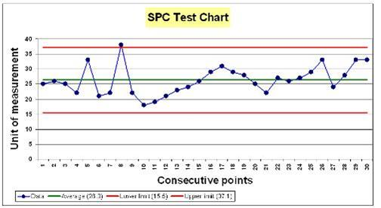

SPC is a type of charting that tells us about the variation that exists in the systems that we are looking to improve.

S - Statistical, because we use some statistical concepts to help us understand processes
P - Process, because we deliver our work through processes. i.e. how we do things
C - Control, by this we mean predictable

When you are interpreting SPC charts there are 4 rules that help you identify what the system is doing. If one of the rules has been broken, this means that ‘special cause ' variation is present in the system. It is also perfectly normal for a process to show no signs of special cause. This means that only ‘common cause ' variation is present.
Rule 1 Any point outside one of the control limits:
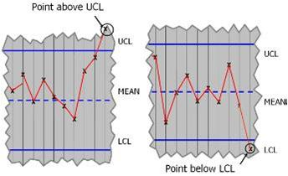

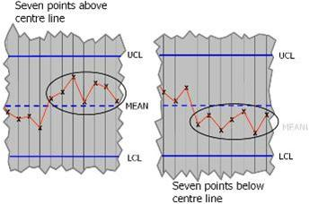
Rule 2 A run of seven points all above or all below the centre line, or all increasing or decreasing:

Rule 3 Any unusual pattern or trends within the control limits:
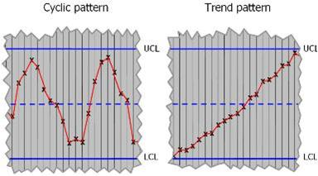

Rule 4 The number of points within the middle third of the region between the control limits differs markedly from two -thirds of the total number of points:
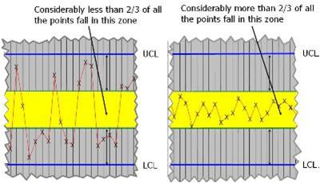

If you want a more efficient system, you need to reduce the variation. Common causes and special causes of variation indicate the need for two different types of improvement which can help you achieve this. If controlled variation (common cause) is displayed in the SPC chart, the process is stable and predictable, which means that the variation is inherent in the process.
If you want to improve the process, you will have to change the whole system
l If uncontrolled variation (special cause) is displayed in the SPC chart, the process is unstable and unpredictable. Variation may be caused by factors outside the process. In this case, you need to identify these sources and resolve them, rather than change the system itself.
There are three issues that you should be aware of when using SPC charts to improve a process:
You should not react to special cause variation by changing the process, as it may not be the system at fault
You should not ignore special cause variation by assuming that its part of the process. It is usually caused by outside factors which you need to understand in order to reduce them
You should ensure that the chart is not comparing more than one process and displaying false signals.
An example of this would be data covering two hospital sites, or two procedures that are very different
SPC is a tool that will help you understand the scale of any problem (the degree of variation) and identify possible causes when used with other investigative tools e.g. process mapping , spaghetti diagram . You are then able to measure the impact of any improvement: does it cause more variation - bad, or less variation - good? To understand more about variation click here.

Nelson Rules
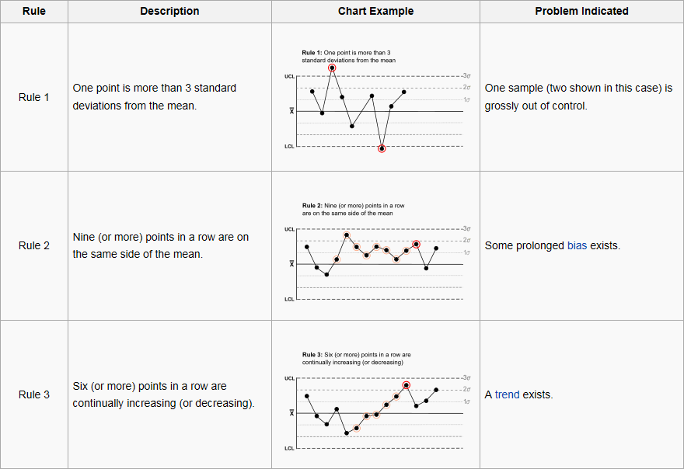
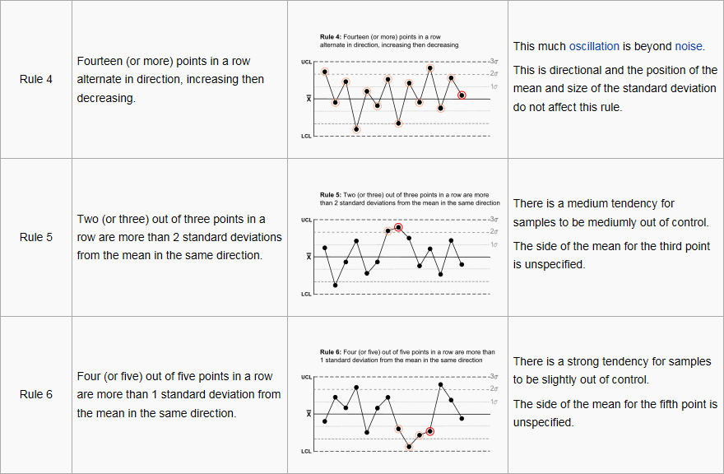
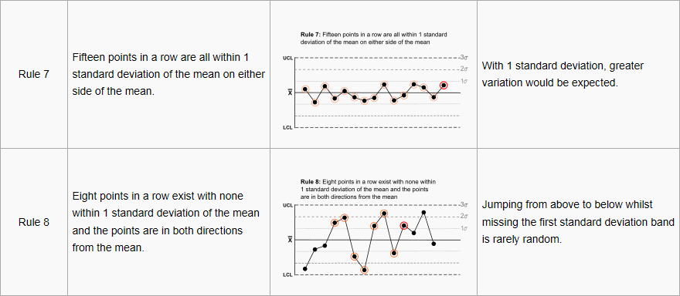
SPC Guidance - Nelson Rules

